Overview
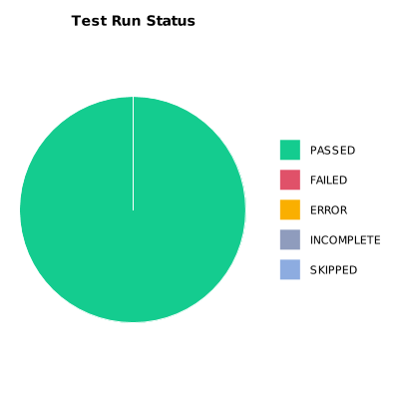
EXECUTION SUMMARY
Test Run ID | 823
Status | PASSED
Organization | FIT@HCMUS
Team | First Team
Project | First Project
By | Trinh Thi Tuyet Nhung
Start Time | 01/07/2024 14:46:24 +00:00
Duration | 0:04:50.955

TEST RESULTS
Total test results | 31
Passed | 31
Failed | 0
Error | 0
Incomplete | 0
Skipped | 0

